Sheet1
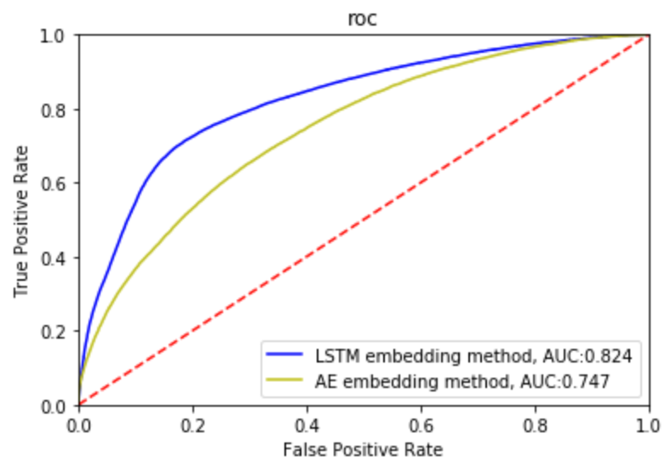
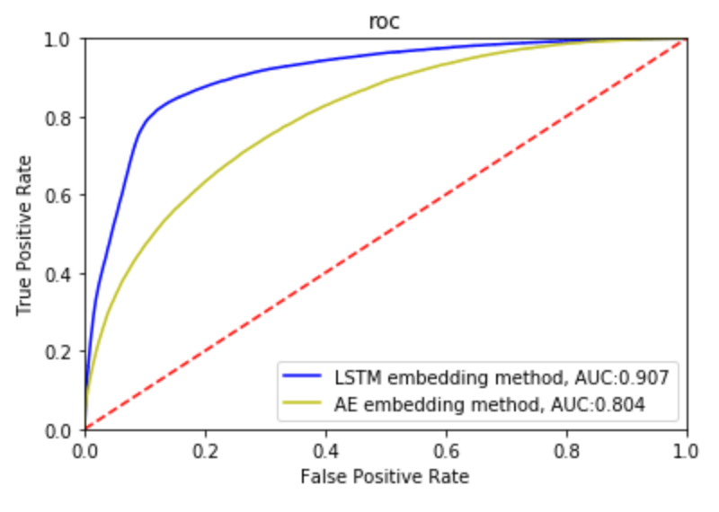
 |  | 109579 original data |  | 209147 original data |  | DeepTCR | Train:Validate:Test =6:2:2
 |  | lstm | ae | lstm | ae | 109579 | 209147
Train | positive pairs | 79042 | 78728 | 150794 | 150536
 | negative pairs | 395212 | 393643 | 753971 | 752681
 | total pairs | 474254 | 472371 | 904765 | 903217
 | class of peptides | 527 | 525 | 533 | 536

validate | positive pairs | 18925 | 19213 | 35844 | 36101
 | negative pairs | 91128 | 92534 | 166609 | 167528
 | total pairs | 110053 | 111747 | 202453 | 203629
 | class of peptides | 472 | 474 | 503 | 492
 | best auc | 0.8246 | 0.747 | 0.907 | 0.8042

test | positive pairs | 10651 | 10651 | 19739 | 19739
 | negative pairs | 50689 | 50716 | 89898 | 89883
 | total pairs | 61340 | 61367 | 109637 | 109622
 | class of peptides | 434 | 434 | 467 | 467
 | auc | 0.7991 | 0.7498 | 0.8854 | 0.8083 | 0.63709 | 0.66325

